Composite
Combined Scores

 | Urban Area

 |  | Coefficientsa
 |  | Model |  | Unstandardized Coefficients |  | Standardized Coefficients | t | Sig.
 |  |  |  | B | Std. Error | Beta
 |  | 1 | (Constant) | 0.694 | 0.003 |  | 248.775 | 0.000
 |  |  | urbscore Urban wealth score | 0.910 | 0.003 | 0.991 | 326.040 | 0.000
 |  | a. Dependent Variable: comscore Common wealth score

 |  |  | Combined Score= .694+.910 * Urban Score

 | Rural

 |  | Coefficientsa
 |  | Model |  | Unstandardized Coefficients |  | Standardized Coefficients | t | Sig.
 |  |  |  | B | Std. Error | Beta
 |  | 1 | (Constant) | -0.611 | 0.002 |  | -286.864 | 0.000
 |  |  | rurscore Rural wealth score | 0.576 | 0.002 | 0.985 | 270.430 | 0.000
 |  | a. Dependent Variable: comscore Common wealth score

 |  |  | Combined Score= -.611 + .576* Rural Score

 | Combined Score

 |  | Statistics
 |  | combscor Combined national wealth score
 |  | N | Valid | 4218
 |  |  | Missing | 0
 |  | Mean |  | 0.2581271
 |  | Std. Error of Mean |  | 0.01608657
 |  | Median |  | 0.1435623
 |  | Mode |  | -0.91394
 |  | Std. Deviation |  | 1.04476034
 |  | Skewness |  | 0.282
 |  | Std. Error of Skewness |  | 0.038
 |  | Kurtosis |  | -1.050
 |  | Std. Error of Kurtosis |  | 0.075
 |  | Minimum |  | -2.02025
 |  | Maximum |  | 3.89435
 |  | Percentiles | 20 | -0.7914837
 |  |  | 40 | -0.2790690
 |  |  | 60 | 0.6419314
 |  |  | 80 | 1.2900675

 | histrogram

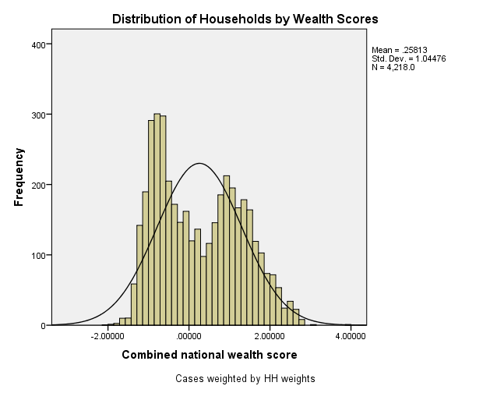

 | Table 2.6 Wealth Quintiles Percent distribution of the de jure population by wealth quintiles, according to residence and region, Liberia MIS 2016
 | Residence/region |  | Ncombsco Combined wealth index |  |  |  |  |  | total Total
 |  |  | Lowest | Second | Middle | Fourth | Highest | Total
 | QHTYPE Urban/rural code from sampling | Urban | 6.1 | 7.7 | 20.3 | 32.6 | 33.3 | 100.0 | 12877
 |  | Rural | 39.8 | 37.4 | 19.5 | 2.1 | 1.1 | 100.0 | 9067
 | QHREGION Region of residence. | Monrovia | 0.0 | 0.0 | 9.5 | 41.1 | 49.4 | 100.0 | 7265
 |  | North Western | 26.4 | 24.6 | 38.3 | 7.4 | 3.3 | 100.0 | 1792
 |  | South Central | 28.5 | 22.9 | 25.8 | 12.4 | 10.4 | 100.0 | 3833
 |  | North Central | 27.7 | 38.8 | 20.1 | 9.6 | 3.8 | 100.0 | 6242
 |  | South Eastern A | 45.8 | 19.7 | 25.6 | 6.1 | 2.7 | 100.0 | 1476
 |  | South Eastern B | 31.7 | 26.4 | 29.2 | 8.0 | 4.7 | 100.0 | 1336
 | total Total |  | 20.0 | 20.0 | 20.0 | 20.0 | 20.0 | 100.0 | 21944

